Лист1
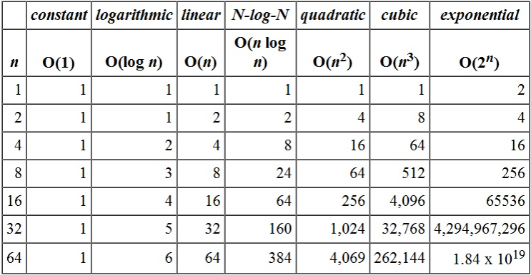
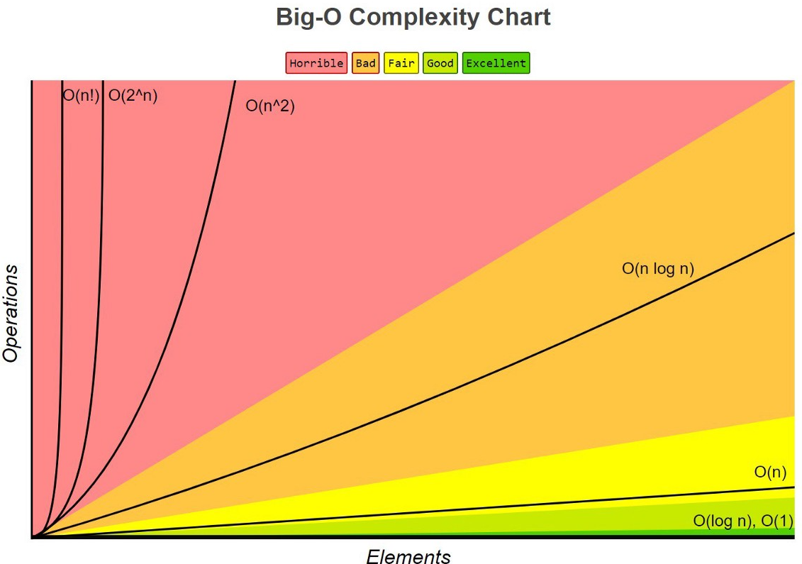
Analysis of algorithms: 1. Correctness - an algorithm performs correctlyl according to the task specification; 2. Ease of understending - an algorithm is logically structured and understandable; 3. Resource consumption - how much time and memory an algorithm is consuming;

a) Empirical approach - implement an algorithm using specified programming language on a real machine; - Require time to implement and result can vary based on the computer used + Yeld exact data and don’t Require doing math b) Theoretical approach - test an algorithm using basic logic and math without computer implementation; - Calculations can be hard and results are very "aproximate" and can be far from real + An algorithm doesnt require implementation and the result is universal, best for the general comparison;

Theoretical RAM model:
Running time assumption: - Only 1 CPU; - One simple operation takes one unit of time; - Functions and loops are not simple operations; - Any memory (read/write/assign) operation takes one unit of time. | Memory assumption: - One simple variable takes on memory unit.
Total time and memory used by the algorithm is equal to the summ of the time and memory used on each step

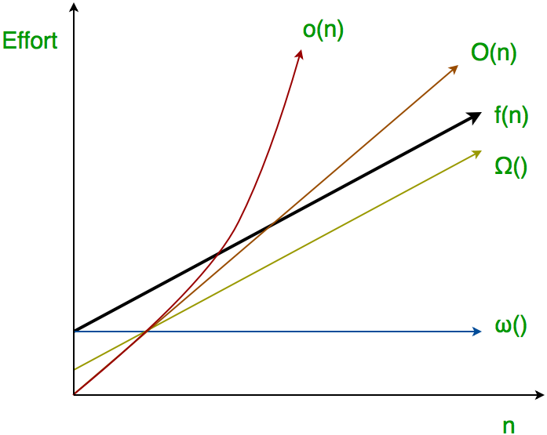
Growth function:
T(N) = cost of the step * times this step is executed = ∑Ci*Ni
For the big input size difference can be tremendouse

